Sheet1
PICKAWAY COUNTY NUSIANCE/DANGEROUS/VICIOUS DOG DATABASE
Last Name | First Name |  | Address |  | City | Photo of Dog | Dog Name | Sex | Breed | Designation Type | Microchip Number | Tag #
Krueger | Beverly | 15061 | Ringgold Northern | Rd | Ashville | 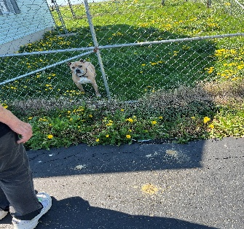 | Charlie | Male | American Bully | Dangerous | #911002001484715 | 358

Kesler | Staton | 1173 | Lone Pine | Rd | Circleville | 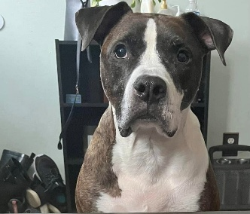 | Forest | Male | Boxer Mix | Dangerous | #981020019626256 | 372
Kesler | Staton | 1173 | Lone Pine | Rd | Circleville | 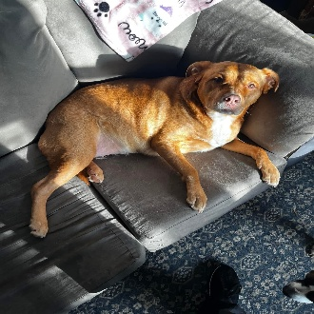 | Athena | Female | Retriever Mix | Dangerous | #985113010000787 | 373
Fullen | Jason | 718 | Maplewood | Ave | Circleville | N/A | Loco | Female | German Shepherd | Dangerous | #991001005325718 | 356

Gillian | Chip | 11593 | Haysville | Rd | Kingston | 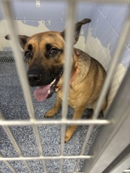 | Milo | Male | Shepherd Mix | Dangerous

Vernon | Jennifer | 26062 | Poplar | Alley | New Holland | N/A | Maverick | Male | Boxer Mix | Dangerous | #985141008083781 | 374

